Complex Building Blocks
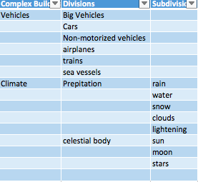
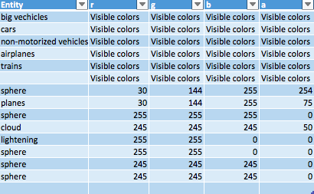
Complex Building Blocks | Divisions | Subdivisions | Number | Entity | r | g | b | a
Vehicles | Big Vehicles |  | 5819 | big vechicles | Visible colors | Visible colors | Visible colors | Visible colors
 | Cars |  | 591166 | cars | Visible colors | Visible colors | Visible colors | Visible colors
 | Non-motorized vehicles |  |  | non-motorized vehicles | Visible colors | Visible colors | Visible colors | Visible colors
 | airplanes |  |  | airplanes | Visible colors | Visible colors | Visible colors | Visible colors
 | trains |  |  | trains | Visible colors | Visible colors | Visible colors | Visible colors
 | sea vessels |  | 88000 |  | Visible colors | Visible colors | Visible colors | Visible colors
Climate | Prepitation | rain | 50000 | sphere | 30 | 144 | 255 | 254
 |  | water |  | planes | 30 | 144 | 255 | 75
 |  | snow | 0 | sphere | 255 | 255 | 255 | 0
 |  | clouds |  | cloud | 245 | 245 | 245 | 50
 |  | lightening |  | lightening | 255 | 255 | 0 | 0
 | celestial body | sun | 1 | sphere | 255 | 255 | 0 | 0
 |  | moon | 1 | sphere | 245 | 245 | 245 | 0
 |  | stars | 3000 | sphere | 245 | 245 | 245 | 0

